NEEPPhaseIIncCost-2011
From NEEP Phase I Incremental Cost Research, completed by Navigant in 2011:
Information finalized by ERS on 3/23/2016
http://www.neep.org/file/1001/download?token=dWXnO1Ys

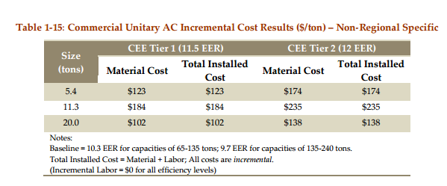

 | Size Range |  | Baseline Unit | CEE Tier I Unit | CEE Tier II Unit
 | ≤65,000 BTU/hr | Efficiency | EER = 10.3 | EER = 11.5 | EER = 12
 |  | Incremental Cost | $0 | $123/ton | $174/ton
 | > 65,000 BTU/hr and ≤ 135,000 Btu/hr | Efficiency | EER = 9.7 | EER = 11.5 | EER = 12
 |  | Incremental Cost | $0 | $184/ton | $235/ton

CEEAHRIResidentialCooling
 | Consortium for Energy Efficiency (CEE) AHRI Residential Cooling Data

 | Source: | https://www.ahridirectory.org/ahridirectory/pages/ac/cee/defaultSearch.aspx

Lists all units with SEER ≥17 serving residential applications:

Final pull on March 23, 2016

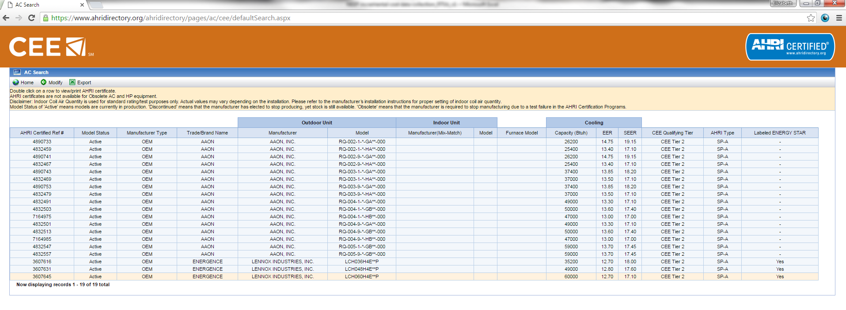

AHRIReferenceNumber | ModelStatus | OEMTradeName | OutdoorUnitOEMName | ModelNumber | IndoorUnitOEMName | CoilModelNumber | FurnaceModelNumber | Capacity95FHigh | EER95F | SEER | ARIType | TierValue | CEEManufacturerType | EnergyStar | Count of OEMTradeName | Column Labels
4890733 | Active | AAON | AAON, INC. | RQ-002-1-*-GA**-000 |  |  |  | 26200 | 14.75 | 19.15 | SP-A | CEE Tier 2 | OEM | - | Row Labels | AAON | ENERGENCE | Grand Total
4832459 | Active | AAON | AAON, INC. | RQ-002-1-*-HA**-000 |  |  |  | 25400 | 13.40 | 17.10 | SP-A | CEE Tier 2 | OEM | - | 17.00 | 2 |  | 2
4890741 | Active | AAON | AAON, INC. | RQ-002-9-*-GA**-000 |  |  |  | 26200 | 14.75 | 19.15 | SP-A | CEE Tier 2 | OEM | - | 17.10 | 6 | 1 | 7
4832467 | Active | AAON | AAON, INC. | RQ-002-9-*-HA**-000 |  |  |  | 25400 | 13.40 | 17.10 | SP-A | CEE Tier 2 | OEM | - | 17.40 | 2 |  | 2
4890743 | Active | AAON | AAON, INC. | RQ-003-1-*-GA**-000 |  |  |  | 37400 | 13.85 | 18.20 | SP-A | CEE Tier 2 | OEM | - | 17.45 | 2 |  | 2
4832469 | Active | AAON | AAON, INC. | RQ-003-1-*-HA**-000 |  |  |  | 37000 | 13.50 | 17.10 | SP-A | CEE Tier 2 | OEM | - | 17.60 |  | 1 | 1
4890753 | Active | AAON | AAON, INC. | RQ-003-9-*-GA**-000 |  |  |  | 37400 | 13.85 | 18.20 | SP-A | CEE Tier 2 | OEM | - | 18.00 |  | 1 | 1
4832479 | Active | AAON | AAON, INC. | RQ-003-9-*-HA**-000 |  |  |  | 37000 | 13.50 | 17.10 | SP-A | CEE Tier 2 | OEM | - | 18.20 | 2 |  | 2
4832491 | Active | AAON | AAON, INC. | RQ-004-1-*-GA**-000 |  |  |  | 49000 | 13.30 | 17.10 | SP-A | CEE Tier 2 | OEM | - | 19.15 | 2 |  | 2
4832503 | Active | AAON | AAON, INC. | RQ-004-1-*-GB**-000 |  |  |  | 50000 | 13.60 | 17.40 | SP-A | CEE Tier 2 | OEM | - | Grand Total | 16 | 3 | 19
7164975 | Active | AAON | AAON, INC. | RQ-004-1-*-HB**-000 |  |  |  | 47000 | 13.00 | 17.00 | SP-A | CEE Tier 2 | OEM | -
4832501 | Active | AAON | AAON, INC. | RQ-004-9-*-GA**-000 |  |  |  | 49000 | 13.30 | 17.10 | SP-A | CEE Tier 2 | OEM | -
4832513 | Active | AAON | AAON, INC. | RQ-004-9-*-GB**-000 |  |  |  | 50000 | 13.60 | 17.40 | SP-A | CEE Tier 2 | OEM | -
7164985 | Active | AAON | AAON, INC. | RQ-004-9-*-HB**-000 |  |  |  | 47000 | 13.00 | 17.00 | SP-A | CEE Tier 2 | OEM | -
4832547 | Active | AAON | AAON, INC. | RQ-005-1-*-GB**-000 |  |  |  | 59000 | 13.70 | 17.45 | SP-A | CEE Tier 2 | OEM | -
4832557 | Active | AAON | AAON, INC. | RQ-005-9-*-GB**-000 |  |  |  | 59000 | 13.70 | 17.45 | SP-A | CEE Tier 2 | OEM | -
3607616 | Active | ENERGENCE | LENNOX INDUSTRIES, INC. | LCH036H4E**P |  |  |  | 35200 | 12.70 | 18.00 | SP-A | CEE Tier 2 | OEM | Yes
3607631 | Active | ENERGENCE | LENNOX INDUSTRIES, INC. | LCH048H4E**P |  |  |  | 49000 | 12.80 | 17.60 | SP-A | CEE Tier 2 | OEM | Yes
3607645 | Active | ENERGENCE | LENNOX INDUSTRIES, INC. | LCH060H4E**P |  |  |  | 60000 | 12.70 | 17.10 | SP-A | CEE Tier 2 | OEM | Yes

